Intellij shortcuts
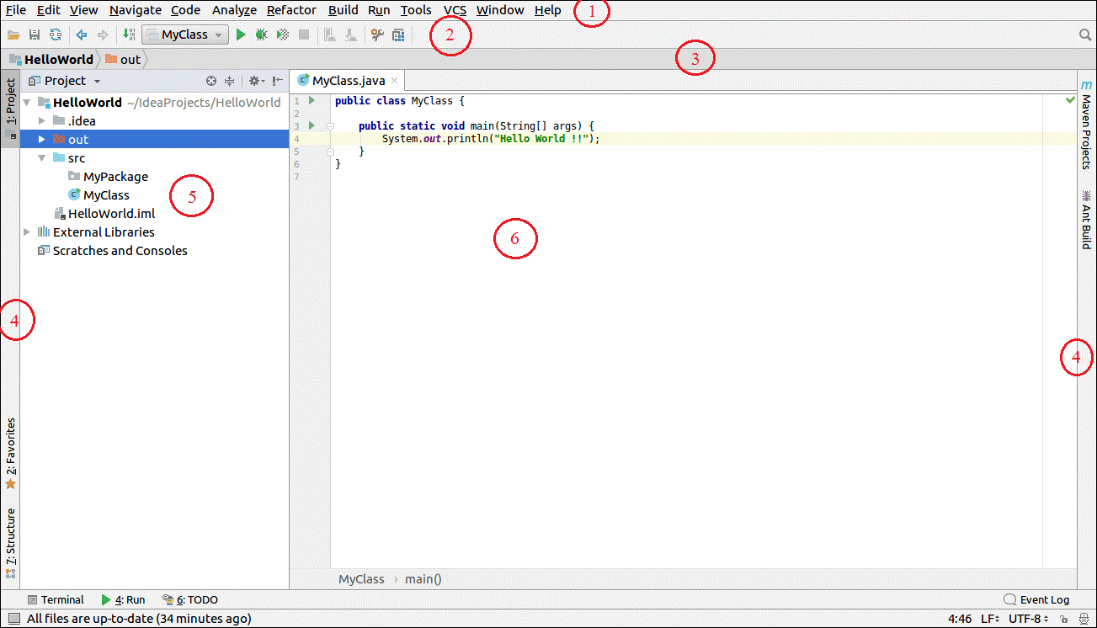
 | ECLIPSE | INTELLIJ
 |  | ALT + F8 | 1. Menu Bar
TO SEARCH EVERYWHERE |  | CRTL+SHT+A | 2.Tool Bar
 |  | SHIFT - TWO TIMES
TO REFACTOR OPTIONS |  | CRTL+ALT+SHT+T | 3.Navigation Bar
RUN | CRTL+SHT+F11 | SHT+F11 | 4. Tool Tabs
DEBUG | CRTL+F11 | SHT+F9 | 5.Project Structure
SEARCH | CRTL + SHT + K | CRTL+SHT+F | 6.Editor Window
GO TO LINE | CRTL + L | CRTL + G | 7. Status Bar
FORMAT | CRTL + SHT + F | CRTL + ALT + L
CODE COMPLETION | CRTL + SPACE | CRTL + SPACE

DEBUGGING
STEP INTO | F5 | F7
STEP OVER | F6 | F8
STEP OUT | F7 | SHIFT+F8
RESUME | F8 | F9
TOGGLE BREAKPOINT | CRTL+SHIFT+B | CRTL+F8

METHODS
ANYWHERE WITHIN CLASS | CRTL + O | CRTL + F12

